Sheet1
Lab 8 _ Bits Phần I |  |  |  |  | CCSU - School of Engineering & Technology
Name : Van Nguyen |  |  |  |  | CET 453 | Microcomputers

Bit Instructions and Logic |  |  |  |  |  |  |  |  | Submit a photo of your handwritten work with your submittal

Lab Goal
 | Understand the effect of bit and logic operations on the status bits and results.

Instructions/Questions:

1 | Use your notes to study the following instructions. Indicate how they will affect the registers and status register bits shown:
 | Take a photo of your work and submit with this assignment

 | Assume init routine yields: |  |  | R4 | R5 | N | Z | C
 |  |  |  | 0x05A0 | 0xFFFF | x | x | x
 | a | BIT.W #00180h, R4 |  | Test status bits in dst |  | 0 | 0 | 1
 | b | BIT.W #08000h, R4 |  | Test status bits in dst |  | 0 | 1 | 0
 | c | AND.W #00180h, R4 |  | 0x0018 |  | 0 | 0 | 1
 | d | AND.W #08000h, R4 |  | 0x0000 |  | 0 | 1 | 0
 | e | BIC.W #0FC00h, R5 |  |  | 0x03FF | 0 | 0 | 1
 | f | BIS.W #0C000h, R5 |  |  | 0XFFFF | 0 | 0 | 1 |  | N = | 0
 | g | XOR.W #0FFFFh, R5 |  |  | 0x0000 | 0 | 1 | 0 |  | Z = | 0
 |  |  |  |  |  |  |  |  |  | 1
2
 | Open Bits Part1.eww workspace

3
 | Debug the "bits" project.
 |  |  |  |  |  |  |  |  |  | 0
4 |  |  |  |  |  |  |  |  |  | 1
 | Indicate what the values of the registers and status register bits ARE when the code is run after the indicated lines of code.

 |  |  |  |  |  |  |  |  |  | 0
 |  |  | R4 | R5 | N | Z | C
 |  | init | 0x05A0 | 0xFFFF
 |  | line 25
 |  | line 26
 |  | line 28
 |  | line 29
 |  | line 31
 |  | line 33
 |  | line 35

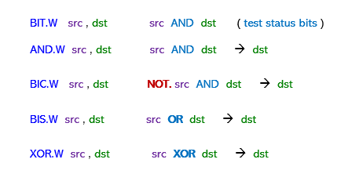
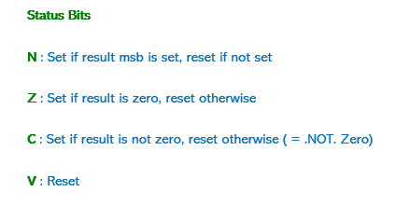

 | Solution

 | a)- | BIT.W # 00180h , R4 |  | ( R4 = 0x05A0 )

 |  | R4 | 0000 0101 1010 0000 | AND | N = | 0
 |  | # 00180h | 0000 0001 1000 0000 |  | Z = | 0
 |  | Result | 0000 0001 1000 0000 |  | C = | 1

 | b)- | BIT.W # 08000h , R4 |  | ( R4 = 0x05A0 )

 |  | R4 | 0000 0101 1010 0000 | AND | N = | 0
 |  | # 08000h | 1000 0000 0000 0000 |  | Z = | 1
 |  | Result | 0000 0000 0000 0000 |  | C = | 0

 | c)- | AND.W # 00180h , R4 |  | ( R4 = 0x05A0 )

 |  | R4 | 0000 0101 1010 0000 | AND | N = | 0
 |  | # 00180h | 0000 0001 1000 0000 |  | Z = | 0
 |  | Result | 0000 0001 1000 0000 | = 0x0180 | C = | 1

 | d)- | AND.W # 08000h , R4 |  | ( R4 = 0x05A0 )

 |  | R4 | 0000 0101 1010 0000 | AND | N = | 0
 |  | # 08000h | 1000 0000 0000 0000 |  | Z = | 1
 |  | Result | 0000 0000 0000 0000 | = 0x0000 | C = | 0

 | e)- | BIC.W # 0FC00h , R4 |  | ( R5 = 0xFFFF )

 |  | # 0FC00h | 1111 1100 0000 0000

 |  | R5 | 1111 1111 1111 1111 | AND | N = | 0
 |  | ! 0FC00h | 0000 0011 1111 1111 |  | Z = | 0
 |  | Result | 0000 00 11 1111 1111 | = 0x03FF | C = | 1

 | f)- | BIS.W # 0C00h , R5 |  | ( R5 = 0xFFFF )

 |  | R5 | 1111 1111 1111 1111 | OR | N = | 0
 |  | # 0C00h | 0000 1100 0000 0000 |  | Z = | 0
 |  | Result | 1111 1111 1111 1111 | = 0xFFFF | C = | 1

 | g)- | XOR.W # 0FFFFh , R5 |  | ( R5 = 0xFFFF )

 |  | R5 | 1111 1111 1111 1111 | OR | N = | 0
 |  | # 0FFFFh | 1111 1111 1111 1111 |  | Z = | 1
 |  | Result | 0000 0000 0000 0000 | = 0x0000 | C = | 0

